Sheet1
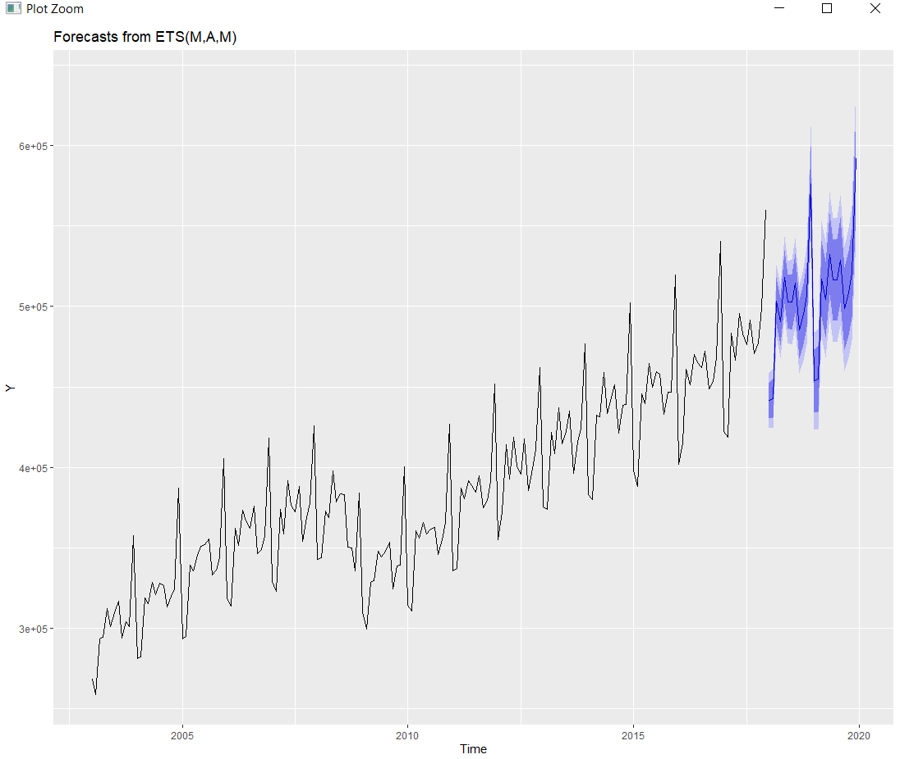
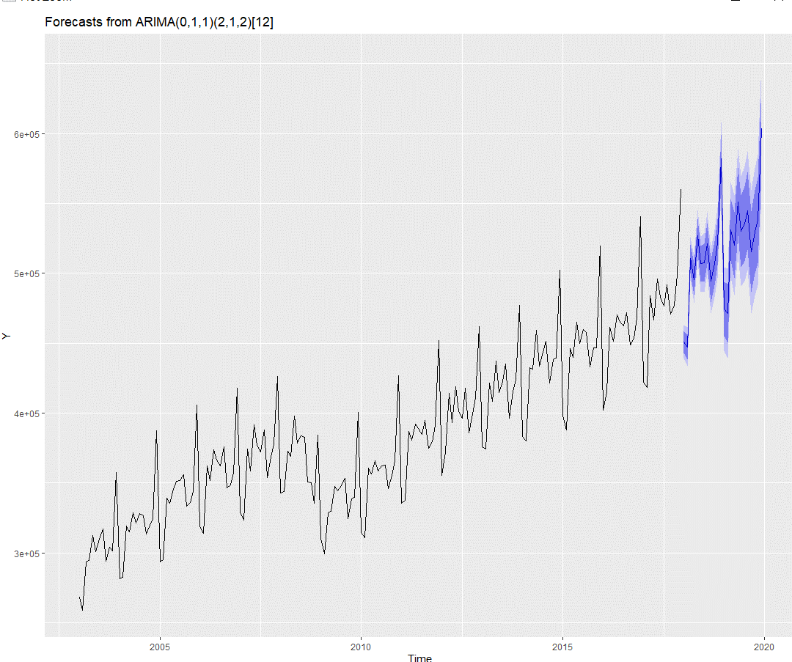
USA Monthly Retail Sales Estimate
Forecast: ARIMA WAY |  |  | Forecast: ETS WAY |  |  | Real Values |  |  | Monthly Sales for Retail and Food Services predicted for the year of 2018 and 2019 using the data from 1992 to 2017
 |  | Point forecast |  |  | Point forecast |  |  | Real Sales
Jan | 2018 | 451021.9 | Jun | 2018 | 441474.9 | Jan | 2018 | 444701
Feb | 2018 | 447269.3 | Jul | 2018 | 442752.5 | Feb | 2018 | 436018
Mar | 2018 | 510,544 | Aug | 2018 | 503438 | Mar | 2018 | 509325
Apr | 2018 | 495,649 | Sep | 2018 | 490707.4 | Apr | 2018 | 481516
May | 2018 | 526,844 | Oct | 2018 | 518295.1 | May | 2018 | 529261
Jun | 2018 | 506847.6 | Nov | 2018 | 502949.2 | Jun | 2018 | 508292
Jul | 2018 | 507,567 | Dec | 2018 | 502925.3 | Jul | 2018 | 506514
Aug | 2018 | 521,396 | Jan | 2018 | 514670.2 | Aug | 2018 | 521962
Sep | 2018 | 494,400 | Feb | 2018 | 485654.1 | Sep | 2018 | 478595
Oct | 2018 | 506849.7 | Mar | 2018 | 494914.7 | Oct | 2018 | 505194
Nov | 2018 | 521873.8 | Apr | 2018 | 506806.7 | Nov | 2018 | 520956
Dec | 2018 | 582250.3 | May | 2018 | 576247 | Dec | 2018 | 559289
Jan | 2019 | 474510.5 | Jun | 2019 | 453640 | Jan | 2019 | 458089
Feb | 2019 | 471242 | Jul | 2019 | 454924.9 | Feb | 2019 | 443708
Mar | 2019 | 531107.4 | Aug | 2019 | 517247.2 | Mar | 2019 | 515694
Apr | 2019 | 520005 | Sep | 2019 | 504136.9 | Apr | 2019 | 509413
May | 2019 | 551252.5 | Oct | 2019 | 532447.4 | May | 2019 | 547130
Jun | 2019 | 529901.7 | Nov | 2019 | 516651.4 | Jun | 2019 | 518273
Jul | 2019 | 535480.7 | Dec | 2019 | 516595.8 | Jul | 2019 | 532103
Aug | 2019 | 544975.8 | Jan | 2019 | 528628.5 | Aug | 2019 | 545247
Sep | 2019 | 515492 | Feb | 2019 | 498795.9 | Sep | 2019 | 496074
Oct | 2019 | 529508.1 | Mar | 2019 | 508277 | Oct | 2019 | 525539
Nov | 2019 | 537864.1 | Apr | 2019 | 520459.4 | Nov | 2019 | 535352
Dec | 2019 | 603247.9 | May | 2019 | 591735 | Dec | 2019 | 591380

